Sheet1
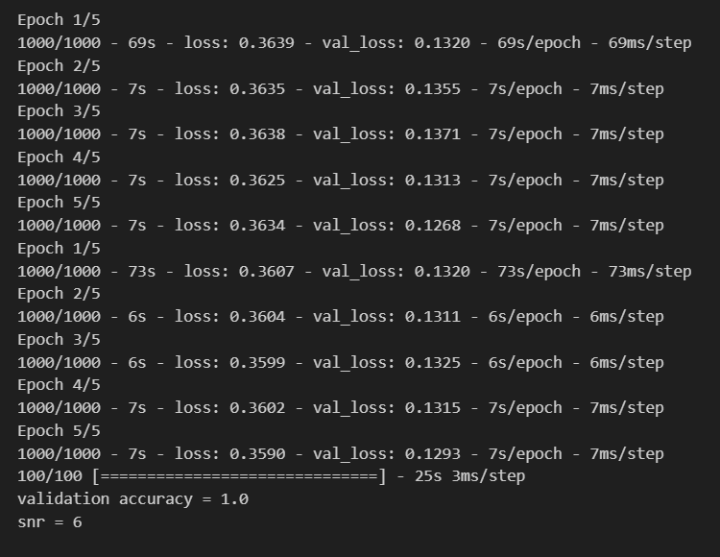
Channel | Decoder filter with NRRC filter, Stride =r | Decoder filter with conv, Stride =r | Roll off | Time delay | CFO_off | phase_off | Comments | Results
st | 1 | 0 | 0 | 0 | 0 | 0

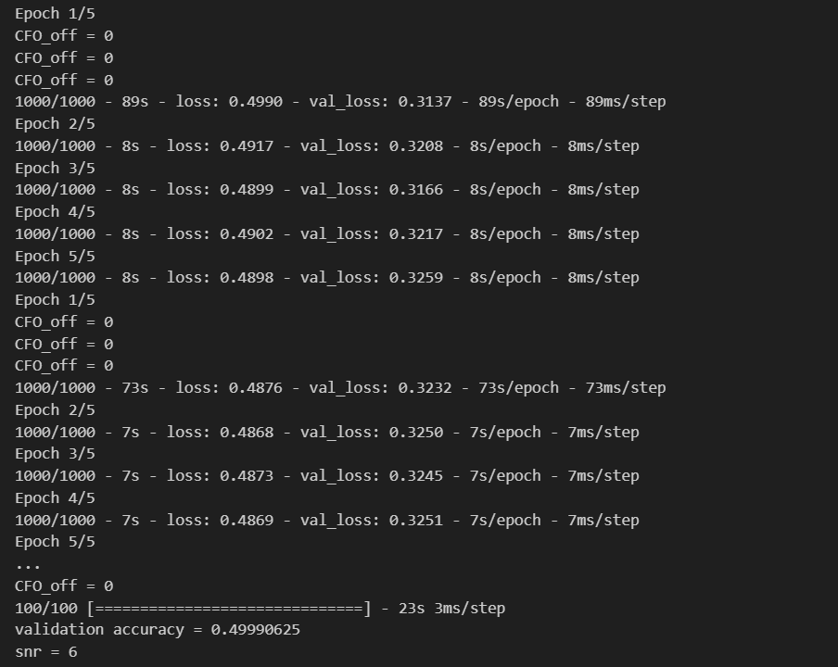
st | 0 | 1 | 0 | 0 | 0 | 0

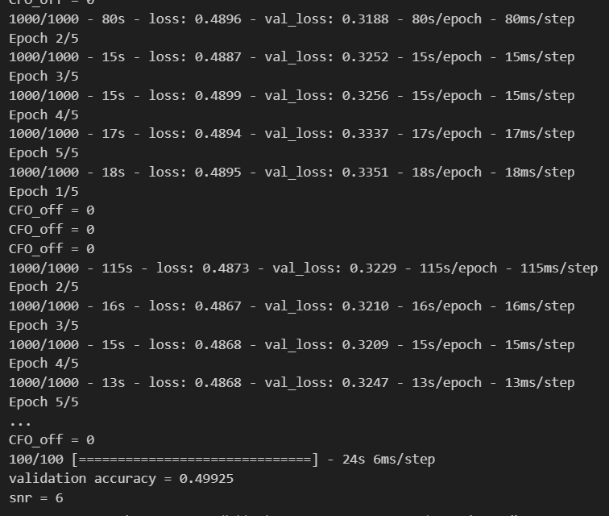
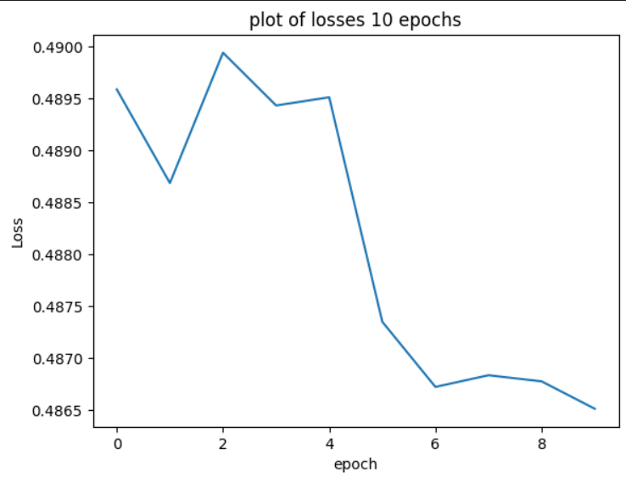
st | 1 | 0 | 0.35 | 0 | 0 | 0 | Increased AE dense layers

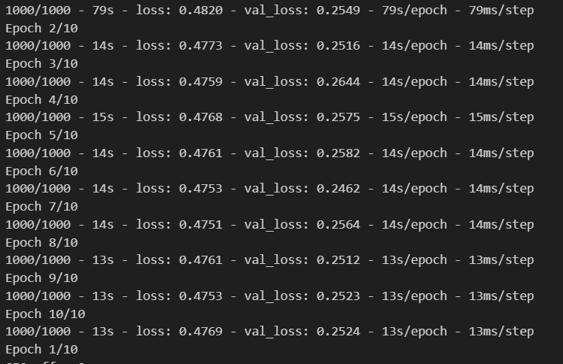
 |  |  |  |  |  |  | Increased data sett sizee, but same results
 |  |  |  |  |  |  | Changed the activation relu to tanh, but nothing has changed

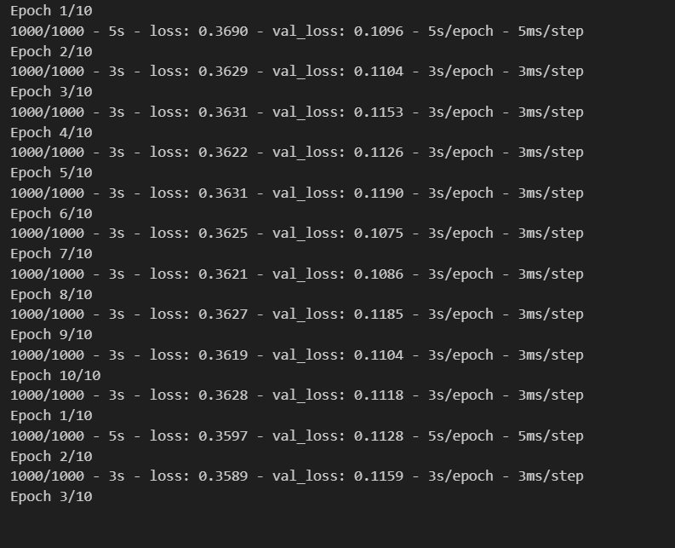
 |  |  |  |  |  |  | Only with gausian Layer (snr = 6) This is interesting. Event this model doesn’t learn this.
 |  |  |  |  |  |  | Final validation acc was 1 (accuracy that is computed with the block accuracy function) and it gave the right results

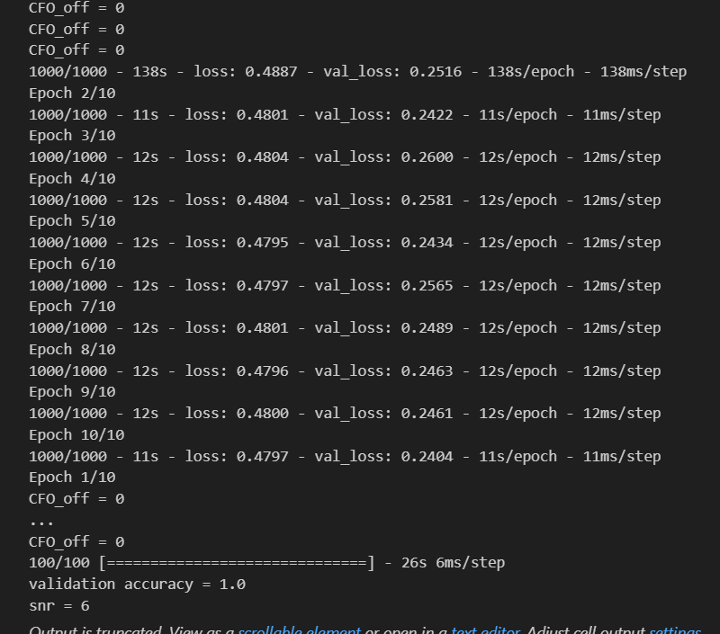
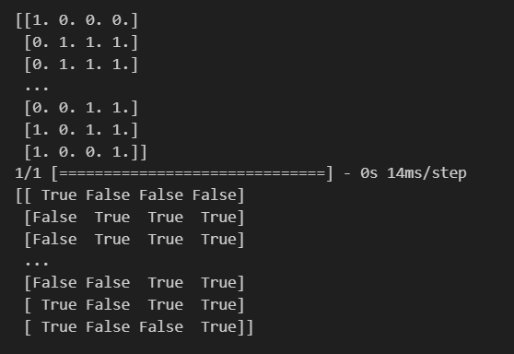
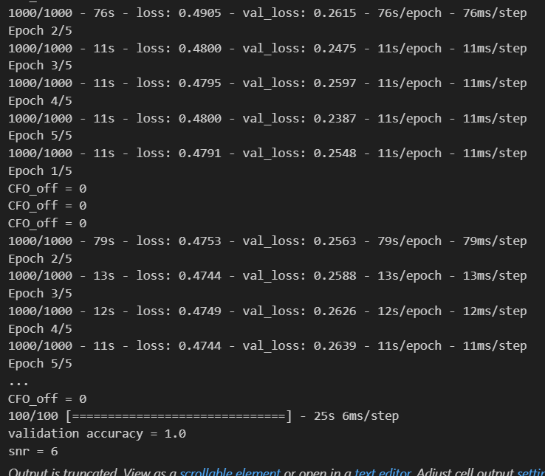
st | 0 | 1 | 0.35 | 0 | 0 | 0 | activation = 'tanh'. Successfully predicted on the validation set. Val_acc was 1.

 |  |  |  |  |  |  | Even with 5 epoches, tanh gives val_acc -1

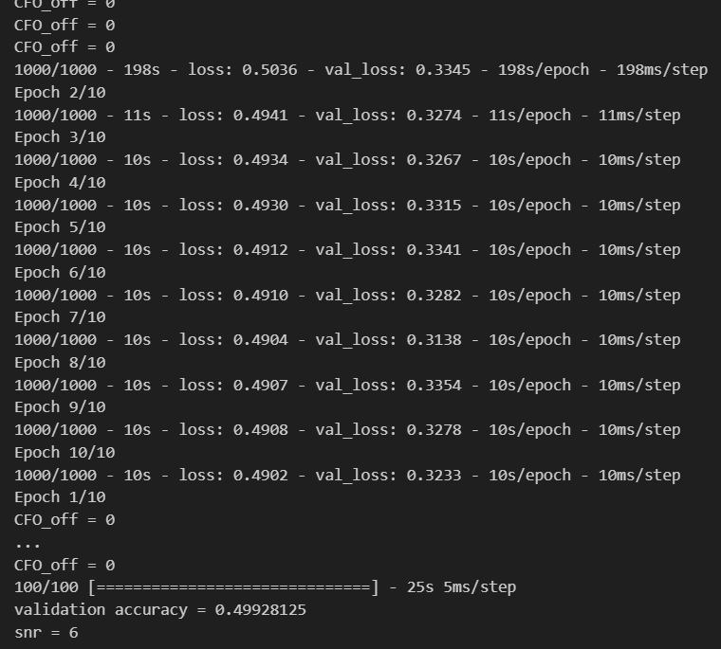
st | 0 | 1 | 0.35 | 0 | 0 | 0 | val accuracy has reduced. Activation function = Relu

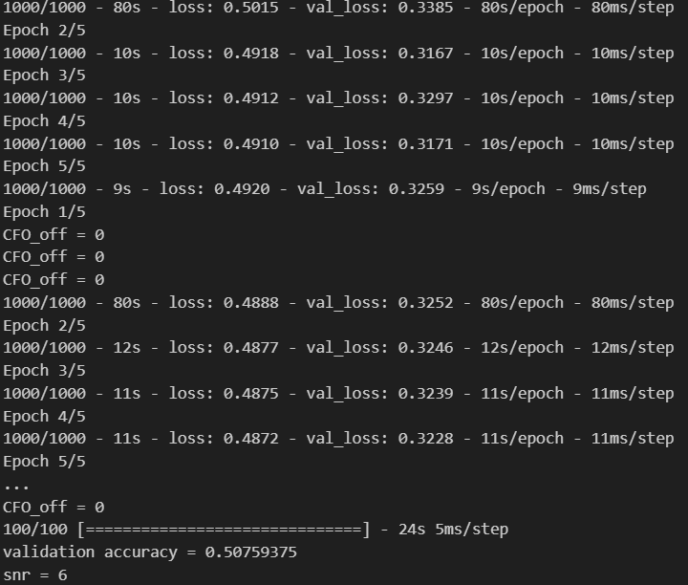
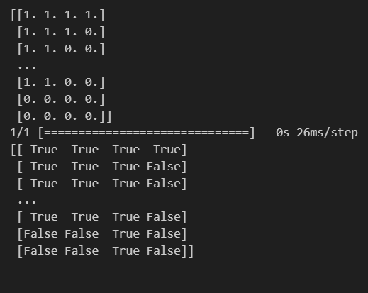
 |  |  |  |  |  |  | For 5 epoches (last time 10) seems like relu is not good

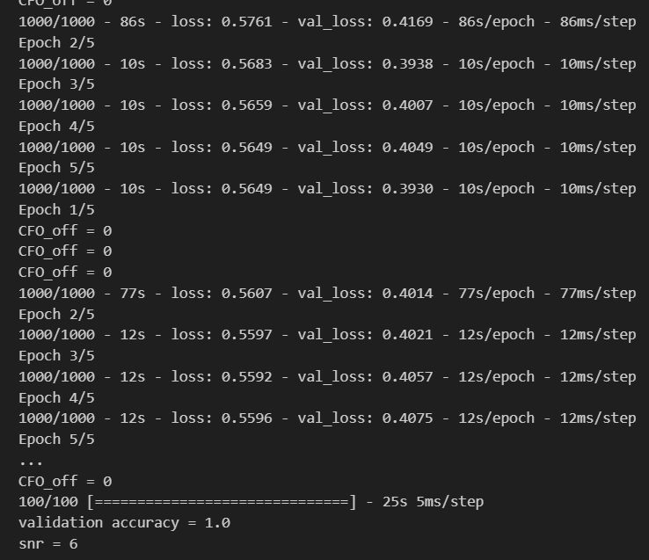
st | 0 | 1 | 0.35 | Time_delay = -0.557 | 0 | 0 | tanh

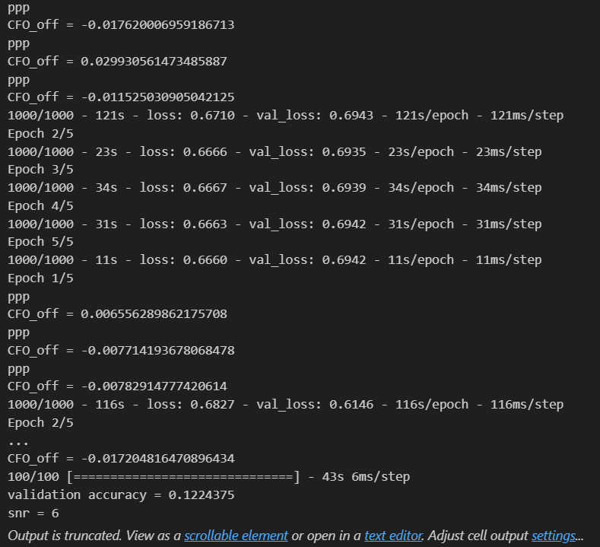
st | 0 | 1 | 0.35 | Time_delay = -0.63495 | CFO_off = 0.0105 | 0

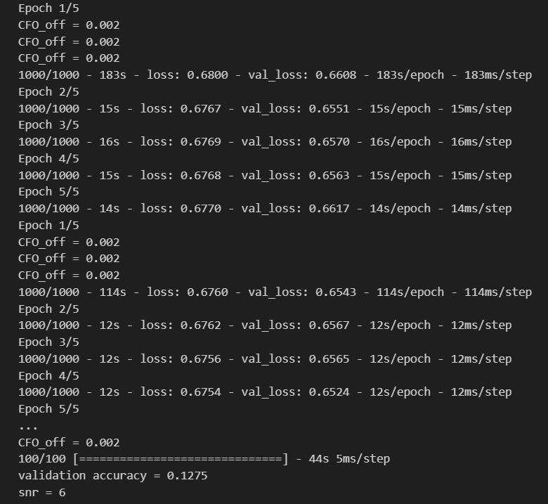
st | 0 | 1 | 0.35 | Time_delay = 0.61454 | 0.002 fixed | 0 | with small CFO_off, its hard to learn

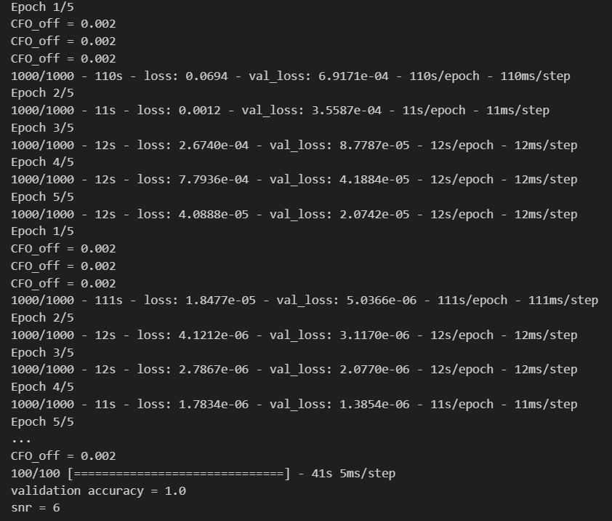

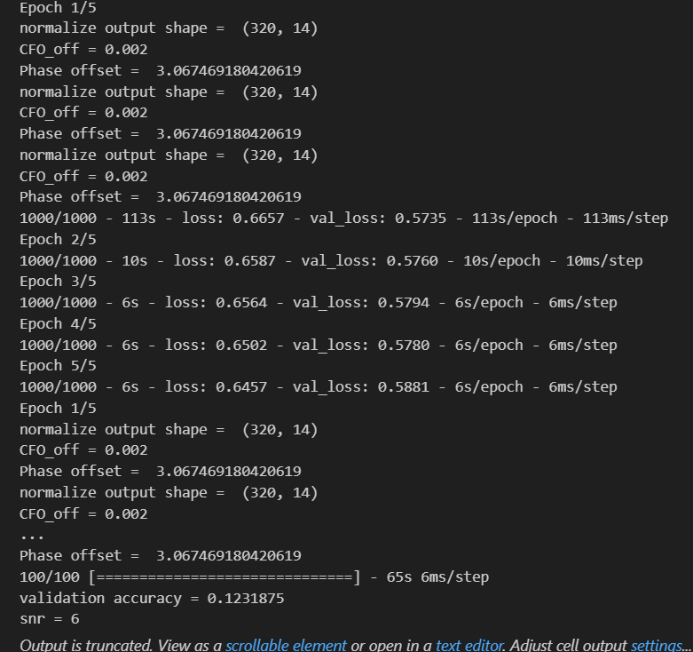
st | 0 | 1 | 0.35 | Time_delay = 0.61454 | 0.002 fixed | 0 | Without normalization layer, gives good accuracy. So try to have some gap for the normalization
 |  |  |  |  |  |  | But changed the normalization to a range, didn’t work.

st | 0 | 1 | 0.35 | -0.88 | 0.02 | 3.06

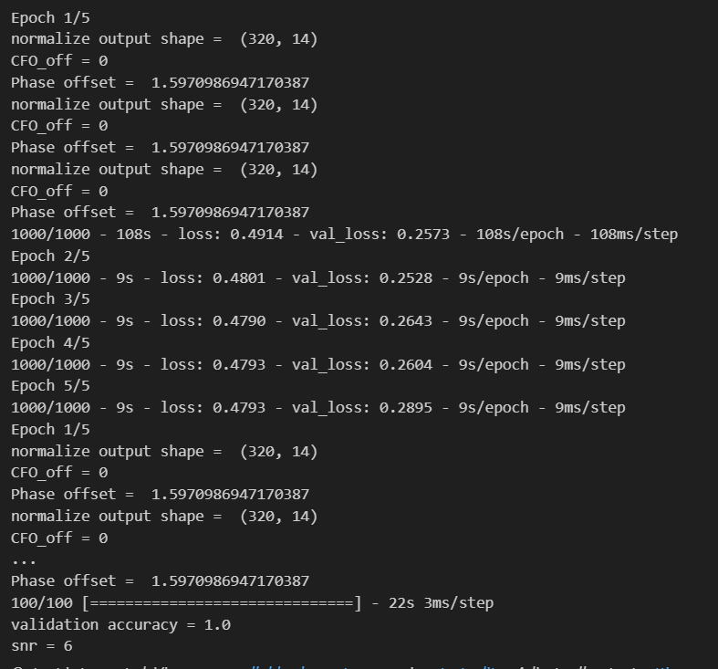
 |  |  |  |  |  | 0
st | 0 | 1 | 0.35 | -0.066 | 0 fixed | 1.59 | val_acuracy is 1, therefore CFO_off has a big affect on the accuracy. (Phase off is keeping constant)

st | 0 | 1 | 0.35 | -0.199 | 0.02 | 3.98 | Didn't change much with 'LeakyRelu'
 |  |  |  |  |  |  | tf.keras.layers.LeakyReLU(alpha=0.01)

 | 0 | 1 | 0.35 | -0.199 | 0.02 | 3.98 | Increased accuracy with 'LeakyRelu', and increasing alpha to 0.1
 |  |  |  |  |  |  | tf.keras.layers.LeakyReLU(alpha=0.1)

 | 0 | 1 | 0.35 | -0.199 | 0.02 | 3.98 | ELU doesn't add a much difference
 |  |  |  |  |  |  | keras.layers.ELU(alpha=1.0)

